works
Now we will use Either Entropy or Gini Index to find homogenity or maximum info gain. Here we will be using Entropy
Entropy =0 means complete homogenity

Step 1- Calculate Entropy of Target Variables- Play golf

Step2- Calcuate the Entropy Bet Target and Each Independent Variables
Step3- Then Find the Information gain. Higher the information gain - higher is the homogenity. In case of gini index- check for the ginin gain. Select the variable with highst gini gain
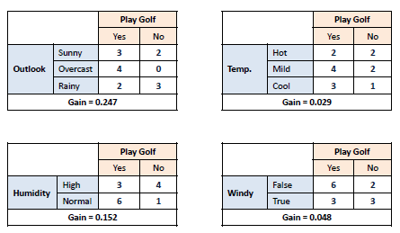

Step 4- We can see Outlook is showing the Maximum Gain. So psplit using Outlook
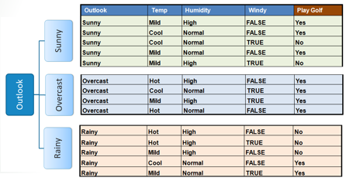

Step 5- A branch with entropy of 0 is a leaf node…. Like Overcast - everything is "yes" and it is homogenous

Step6- Repeat the above steps

Calculate Entropy with Sunny

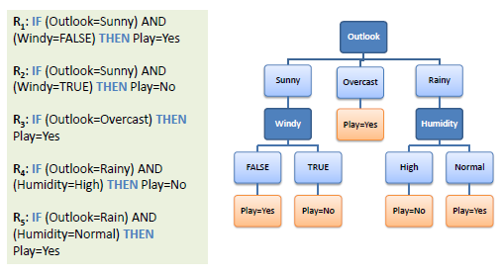
Step7- Now Calculate information gain of Temperature. IG(sunny, Temperature)
Similarly,IG(sunny, Humidity),IG(sunny, Windy)
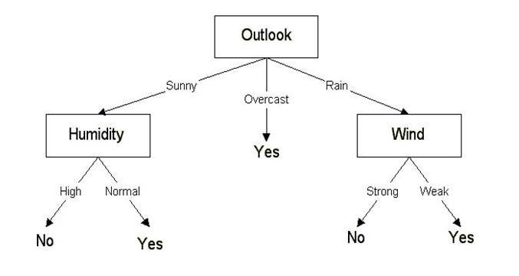

Gini gain (S, outlook) = 0.459 - 0.342 = 0.117 | selce twith max gain

Gini gain(S, Temperature) = 0.459 - 0.4405 = 0.0185

Gini gain(S, Humidity) = 0.459 - 0.3674 = 0.0916

Gini gain(S, windy) = 0.459 - 0.4286 = 0.0304

